eGRID Table
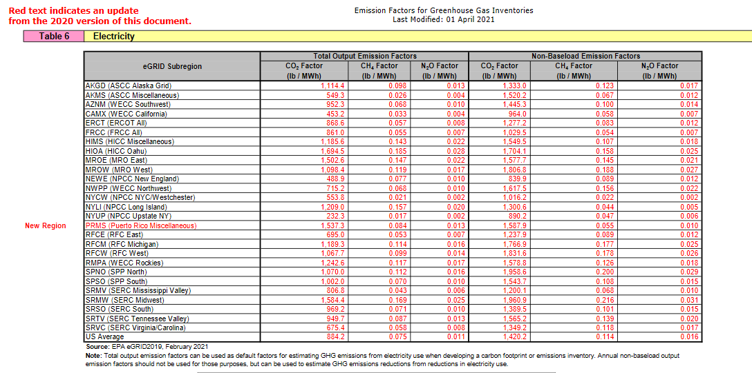
Screen shot of EPA Emissions Hub captured 5/6/2021
 | link here

